Chla-Secchi Models
Rast and Lee (1978)
 |  | denotes input cell
Chlorophyll a Conc (µg/L) : | 1.00
log Chlorophyll a: | 0.00000000
log secchi depth | 0.803

resulting secchi depth (m) | 6.35

 | Dove and Chapra (2015) Great Lakes

Chlorophyll a Conc (µg/L) : | 1.00

resulting secchi depth (m) | 7.35

Best-fit Flathead Model: Slope from Rast and Lee (1978) data with line moved throught the Flathead Lake data with minimal residual error.
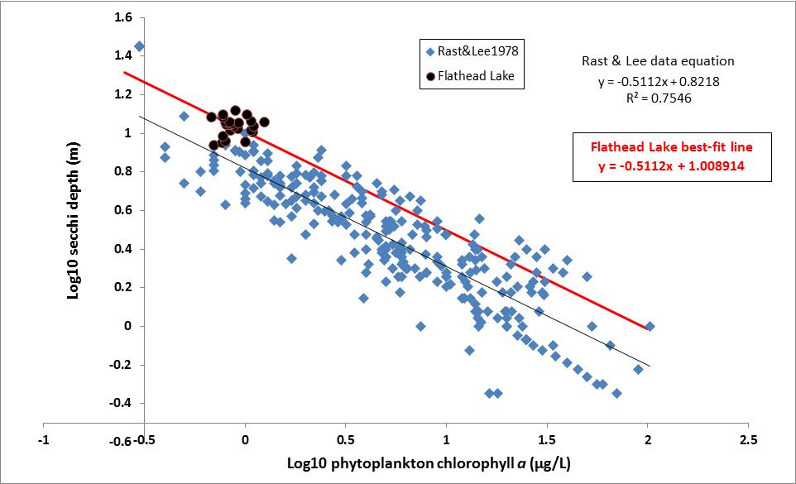
Chlorophyll a Conc (µg/L) : | 1.00
log Chla | 0.00
log secchi | 1.01
resulting secchi depth (m) | 10.21

